Table 17
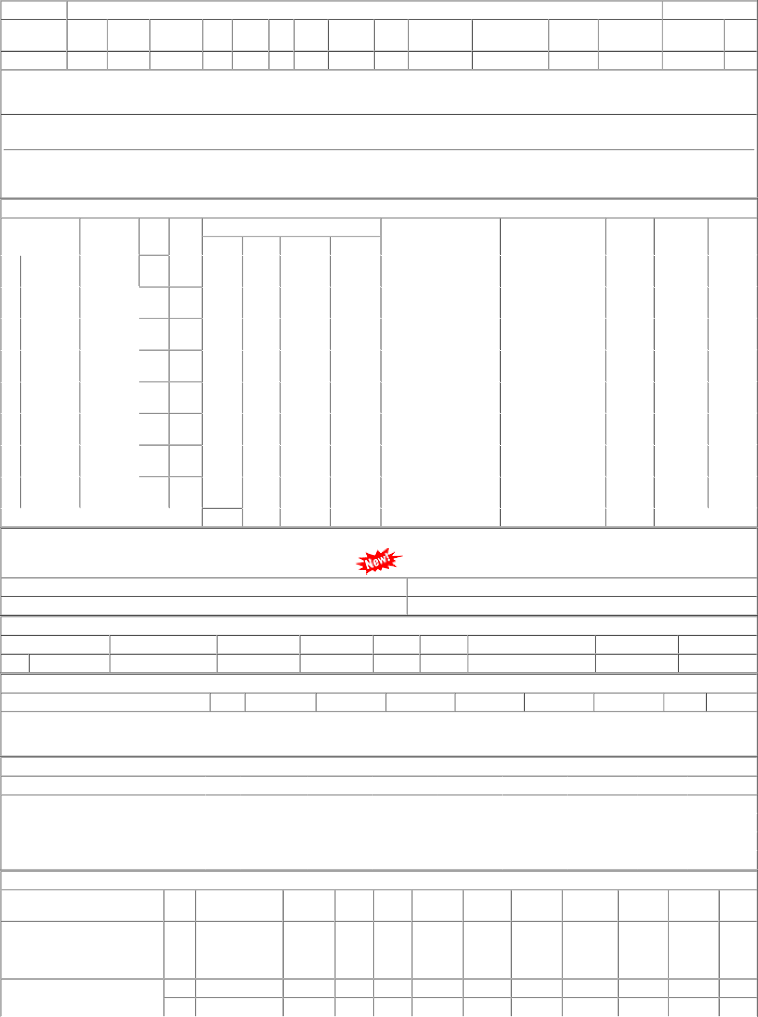
P.O.No.04223146104565 dt.29/08/22 on M/s.KESARA | 001 002 | PL-CR SBI-GSD | 69.88 68.70 | 3000 8000 | MTR 0 MTR 0 | 0 0 31/07/23 0 0 31/07/23 | 28/12/22 31/07/23 OP 01/04/23 31/07/23 OP

